Sheet1
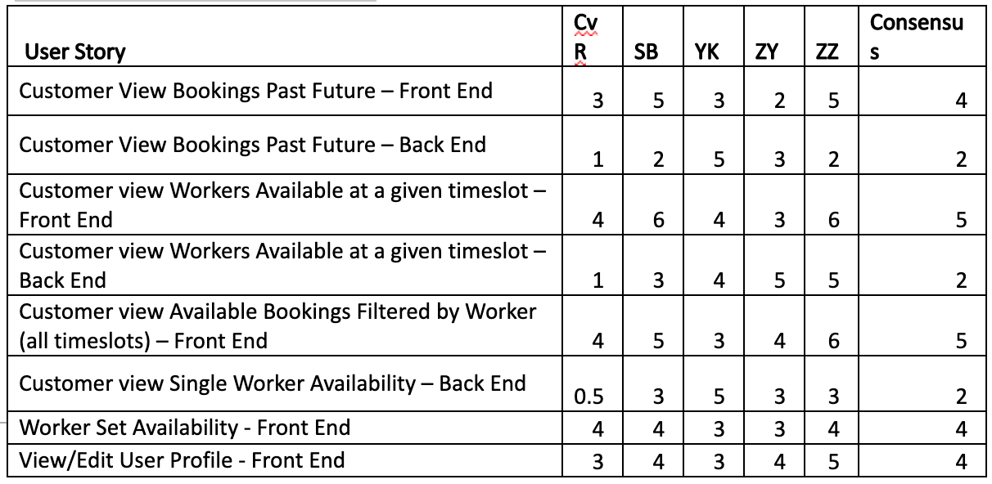
Spint 2

Sprint Start Date |  | 12/09/2020 | Day of Sprint | Forecast | Target | Actual
Sprint End Date |  | 22/09/2020 | /9/12 | 280 | 280 | 280
Working Days |  | 10 | /9/13 | 250 | 252 | 250
Team Size |  | 4 | /9/14 | 220 | 224 | 220
10 Effort Point =1 hours |  |  | /9/15 | 190 | 196 | 190
 |  |  | /9/16 | 160 | 168 | 160
 |  |  | /9/17 | 140 | 140 | 150
 |  |  | /9/18 | 110 | 112 | 120
 |  |  | /9/19 | 80 | 84 | 90
 |  |  | /9/20 | 50 | 56 | 80
 |  |  | /9/21 | 20 | 28 | 30
 |  |  | /9/22 | 0 | 0 | 0

 | BurndownChart -Spinrt2 |  |  |  |  |  | Estimation in story points -Sprint2 | (1 Story point = 1 hours)
Spint2 Burndown Chart
 |  | Forecast | Target | Actual
/9/12 |  | 280 | 280 | 280
/9/13 |  | 250 | 252 | 250
/9/14 |  | 220 | 224 | 220
/9/15 |  | 190 | 196 | 190
/9/16 |  | 160 | 168 | 160
/9/17 |  | 140 | 140 | 150
/9/18 |  | 110 | 112 | 120
/9/19 |  | 80 | 84 | 90
/9/20 |  | 50 | 56 | 80
/9/21 |  | 20 | 28 | 30
/9/22 |  | 0 | 0 | 0

